Solution Design
Users | Device |  | Systems |  |  |  | EIS

External |  |  |  | External Services
Users (100)

MQ
MF/AS400
 |  |  | Firewall
 |  | Firewall |  | Servers
Enterprise Service Bus

BPM / Workflows
Legacy
Systems
 |  |  |  |  |  | DMZ
 |  |  |  |  | Integration Layer
 |  |  |  |  |  | Internal Network
Intelligence
Internal
Users (30)
Services
SOAP/REST/
Micro
Services
Caching
Infra
UI Framework
DB

Scripts
&
Configs
Application Framework
Push
Technology
C
C
Component

 |  | CI/CD DevOPS and Delivery Layer
 | Client |  | Application & Service |  |  |  | Data
 | Security |  | Security |  |  |  | Security
Compliance & Regulation

Integration Solution
 | Integration Platform
 | Type : Business, Process & Data Integration
 | Topology |  |  |  |  |  | https://docs.oracle.com/cd/E82085_01/160/BDI%20Implementation%20Guide/Output/Chapter%208%20-%20data-integration-topologies.htm
System A
System B
 | Frequency: Real Time/ Near Real Time/ Batch |  |  |  |  |  | https://www.globalscape.com/blog/5-types-data-integration
 | Architecture
 | Communication / Integration Patterns
 | Channels
 | Protocols
 | Security
 | Processing (Optional)

Topology | Architecture | Integration Patterns - ASYNC | Protocols | Channels | Processing | Tools
Hub & Spoke | EAI | Request-Reply | SOAP/HTTP(S) | Point-to-Point Channel |  | OSB (ESB Platform)
Bus | SOA | Return Address (Multiple Consumers) | REST | Publish-Subcr. Channel |  | MuleSoft (ESB Platform) - Open Source
 | ESB | Correlation Identifier (Multiple Providers) | CoAP | Durable Subscriber
 | Micro Service | Pipes-And-Filters | MQTT | Datatype Channel
 |  | Content Based Router (Specialized Provider) | AMQP | Invalid Message Channel
 |  | Splitter (Composite Message) | Websocket | Dead Letter Channel
 |  | Splitter & Router | Node | Guaranteed Messaging
 |  | Aggregator (Single Response) |  | Channel Adapter
 |  | Scatter-Gather (Pub-Sub + Aggregator)
 |  | Control Bus
 |  | Wire Tap
 |  | Smart Proxy (like NAT)
 |  | Test Messaage

Development & Delivery
GitHub
SCM

 |  |  | 1 | All the environment (Dev, QA & PROD) infrastructure are configured thru CHEF.
Development | QA | Production | 2 | Developers checks-in to SCM.
 |  |  | 3 | Developer's check-in triggers automatic Jenkins build task.
 |  |  | 4 | Git Check-out
 |  |  | 5 | Launch Maven
CHEF
DevOps
 |  |  | 6 | Code review with Sonar Cube
 |  |  | 7 | Build
 |  |  | 8 | Unit Test
 |  |  | 9 | Packaging
 |  |  | 10 | Archive is pushed to Repository manager
 |  |  | 11 | Environment Monitoring thru - NAGIOS

SonarCube
Code Review
NAGIOS
Server Monitoring
Jenkins
Continues Integration
Git Check Out
Launch Maven

NEXUS
Repository Manager
Versioning
Code Review
Build
Unit Test
Packaging
Archiving

Deployment Architecture
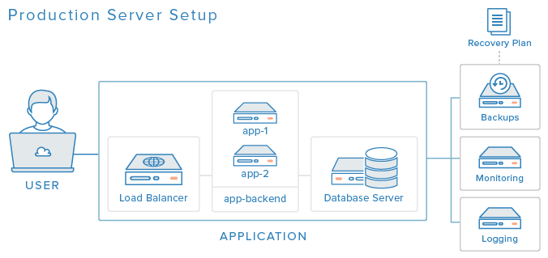

https://www.digitalocean.com/community/tutorials/5-ways-to-improve-your-production-web-application-server-setup

